Hoja1
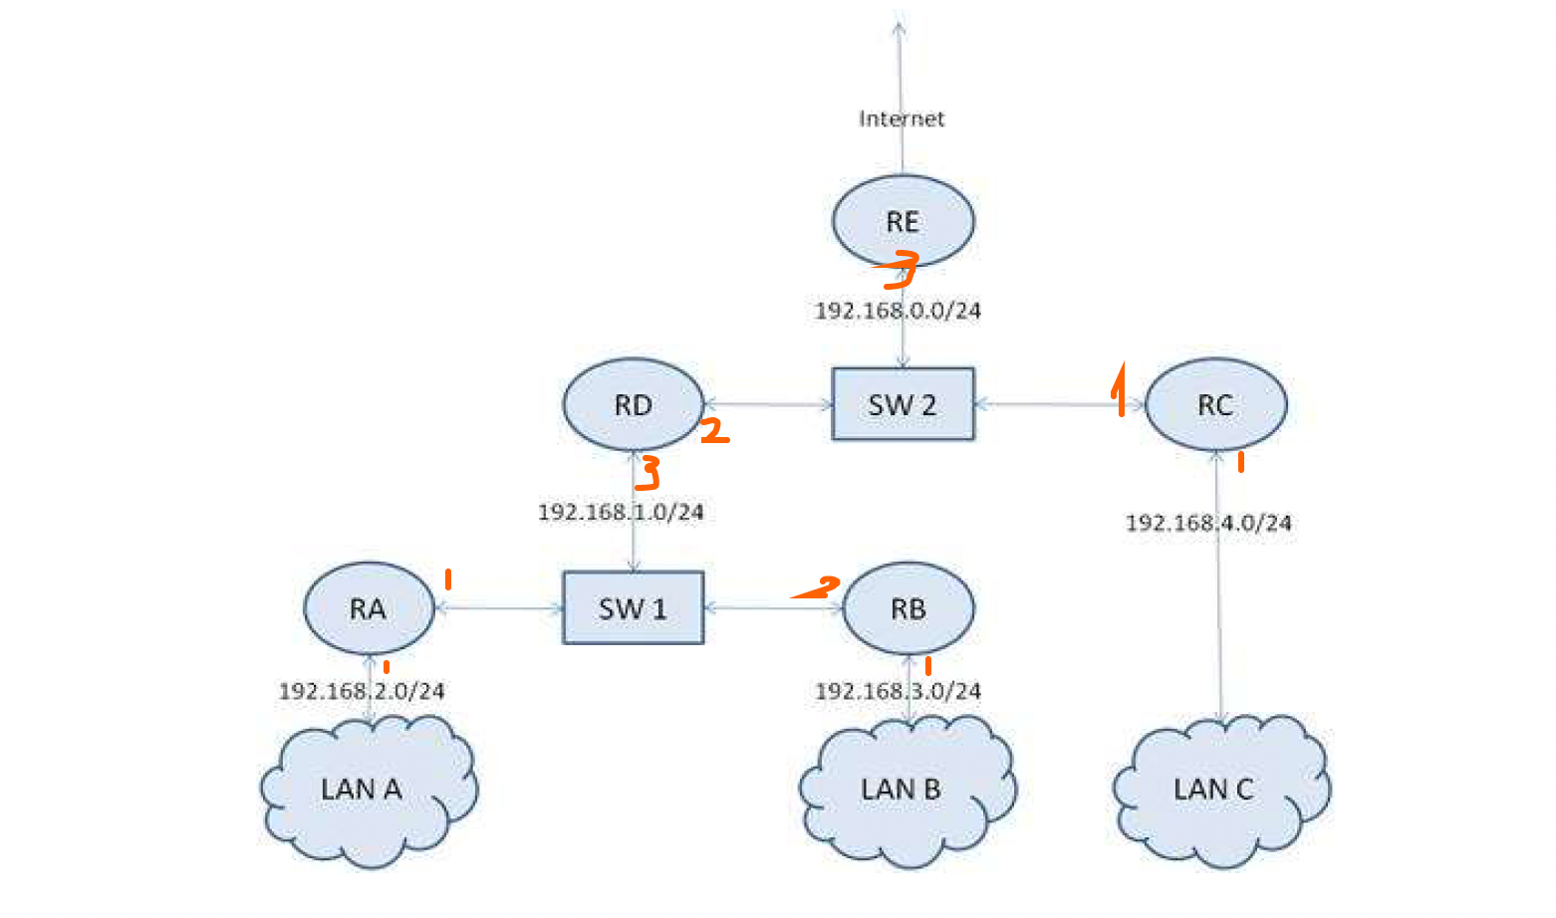
Destino | Salto Siguiente | Máscara / | Máscara Decimal | Interfaz
127.0.0.1 | * | /32 | 255,255,255,255 | lo
192.168.1.0 | * | /24 | 255.255.255.0 | 192.168.1.1
192.168.2.0 | * | /26 | 255,255,255,192 | 192.168.2.1
192.168.3.0 | 192.168.1.2 | /30 | 255,255,255,252 | 192.168.1.1 | 11111111 | 11111111 | 11111111 | 11110000
192.168.4.0 | 192.168.1.3 | /28 | 255,255,255,240 | 192.168.1.1 | 255 | 255 | 255 | 240
192.168.0.0 | 192.168.1.3 | /25 | 255,255,255,128 | 192.168.1.1
0.0.0.0 | 192.168.1.3 | /0 | 0.0.0.0 | 192.168.1.1

Destino | Salto Siguiente | Máscara / | Máscara Decimal | Interfaz
127.0.0.1 | * | /32 | 255,255,255,255 | lo
192.168.1.0 | * | /24 | 255.255.255.0 | 192.168.1.1
192.168.2.0 | * | /24 | 255.255.255.0 | 192.168.2.1
192.168.3.0 | 192.168.1.2 | /24 | 255.255.255.0 | 192.168.1.1
192.168.4.0 | 192.168.1.3 | /24 | 255.255.255.0 | 192.168.1.1
192.168.0.0. | 192.168.1.3 | /24 | 255.255.255.0 | 192.168.1.1
0.0.0.0 | 192.168.1.3 | /0 | 0.0.0.0 | 192.168.1.1

Destino | Salto Siguiente | Máscara / | Máscara Decimal | Interfaz
127.0.0.1 | * | /32 | 255,255,255,255 | lo
192.168.1.0 | * | /24 | 255.255.255.0 | 192.168.1.2
192.168.2.0 | 192.168.1.1 | /24 | 255.255.255.0 | 192.168.1.2
192.168.3.0 | * | /24 | 255.255.255.0 | 192.168.3.1
192.168.4.0 | 192.168.1.3 | /24 | 255.255.255.0 | 192.168.1.2
192.168.0.0. | 192.168.1.3 | /24 | 255.255.255.0 | 192.168.1.2
0.0.0.0 | 192.168.1.3 | /0 | 0.0.0.0 | 192.168.1.2

Destino | Salto Siguiente | Máscara / | Máscara Decimal | Interfaz
127.0.0.1 | * | /32 | 255,255,255,255 | lo
192.168.0.0 | * | /24 | 255,255,255,255 | 192.168.0.2
192.168.1.0 | 192.168.0.1 | /24 | 255.255.255.0 | 192.168.0.2
192.168.2.0 | 192.168.0.1 | /24 | 255.255.255.0 | 192.168.0.2
192.168.3.0 | 192.168.0.1 | /24 | 255.255.255.0 | 192.168.0.2
192.168.4.0 | * | /24 | 255.255.255.0 | 192.168.4.1
0.0.0.0 | 192.168.0.3 | /0 | 0.0.0.0 | 192.168.0.2

Destino | Salto Siguiente | Máscara / | Máscara Decimal | Interfaz
127.0.0.1 | * | /32 | 255,255,255,255 | lo
192.168.1.0 | * | /24 | 255.255.255.0 | 192.168.1.3
192.168.2.0 | 192.168.1.1 | /24 | 255.255.255.0 | 192.168.1.3
192.168.3.0 | 192.168.1.2 | /24 | 255.255.255.0 | 192.168.1.3
192.168.4.0 | 192.168.0.2 | /24 | 255.255.255.0 | 192.168.0.1
192.168.0.0 | * | /24 | 255.255.255.0 | 192.168.0.1
0.0.0.0 | 192.168.0.3 | /0 | 0.0.0.0 | 192.168.0.1

Destino | Salto Siguiente | Máscara / | Máscara Decimal | Interfaz
127.0.0.1 | * | /32 | 255,255,255,255 | lo
192.168.1.0 | 192.168.0.1 | /24 | 255.255.255.0 | 192.168.0.3
192.168.2.0 | 192.168.0.1 | /24 | 255.255.255.0 | 192.168.0.3
192.168.3.0 | 192.168.0.1 | /24 | 255.255.255.0 | 192.168.0.3
192.168.4.0 | 192.168.0.2 | /24 | 255.255.255.0 | 192.168.0.3
192.168.0.0 | * | /24 | 255.255.255.0 | 192.168.0.3
0.0.0.0 | 203.0.113.1 | /0 | 0.0.0.0 | 203.0.113.2
203.0.113.0 | * | /30 | 255,255,255,252 | 203.0.113.2

